tab
 | Brand | EAN | Description | QTY | Retail
 | Xtorm | 8713159682011 | Xtorm XTAG01 3-piece travel tag | 65 | € 38.95
 | Xtorm | 8713159681519 | Xtorm XTAG01 travel tag | 93 | € 18.95
 | Xtorm |  | Xtorm XR2S28 SolarBooster 28W foldable solar panel | 6 | € 99.95
 | Xtorm | 8713159664239 | Xtorm XWF21 15W foldable 2-in-1 wireless travel charger | 2 | € 79.95
 | Xtorm | 8713159664185 | Xtorm FS520 Fuel Series 20.000 mAh 35W power bank | 8 | € 59.95
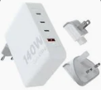 | Xtorm | 8713159664130 | Xtorm XVC2140 GaN Ultra 140W travel charger with 240W USB-C PD cable | 6 | € 129.95
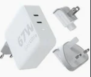 | Xtorm | 8713159664123 | Xtorm XVC2067 GaN Ultra 67W travel charger with 100W USB-C PD cable | 8 | € 69.95
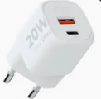 | Xtorm |  | Xtorm XEC020 GaN Ultra 20W wall charger | 10 | € 19.95
 | Xtorm | 8713159664109 | Xtorm XEC035 GaN Ultra 35W wall charger | 6 | € 29.95
 | Xtorm |  | Xtorm XR201 Xtreme 10.000 mAh 20W QC3.0 waterproof rugged power bank with torch | 10 | € 64.95
 | Xtorm | 8713159666448 | Xtorm XEC035G GaN Ultra 35W wall charger - UK plug | 162 | € 29.95
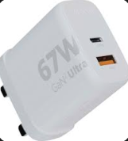 | Xtorm | 8713159666431 | Xtorm XEC067G GaN Ultra 67W wall charger - UK plug | 187 | € 39.95
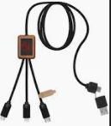 | SCX.design | 8713159580874 | SCX.design C38 40W 5-in-1 rPET light-up logo charging cable with squared wooden casing | 20 | € 22.95
 | SCX.design |  | SCX.design P36 5000 mAh light-up wireless power bank | 23 | € 54.95
 | SCX.design | 8713159580904 | SCX.design W13 10W wooden wireless charging station | 8 | € 21.95
 | SCX.design | 8713159599623 | SCX.design S26 light-up ring speaker | 12 | € 64.95
 | Prixton |  | Prixton Smartwatch GPS SW37 | 7 | € 99.50
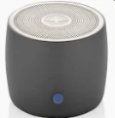 | Teki�® | 8713159606802 | Rise 3W RCS recycled aluminium Bluetooth? mini speaker | 6 | € 29.95
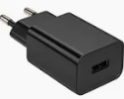 | Teki�® |  | ADAPT 25W recycled plastic PD travel charger | 2 | € 12.95
 | Unbranded | 8713159579175 | Kenzu wheat straw USB hub | 30 | € 7.95
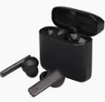 | Teki�® | 8713159578734 | Hybrid premium True Wireless earbuds | 35 | € 49.95
 | Unbranded | 8713159578284 | Aero magnetic phone holder | 4 | € 3.95
 | Teki�® |  | Hybrid monitor light | 3 | € 79.95
 | Teki�® |  | Hybrid Active stylus pen for iPad | 1 | € 24.95
 | Unbranded | 8713159571353 | Medake 10W bamboo wireless charger | 3 | € 21.95
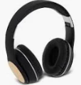 | Unbranded |  | Athos bamboo Bluetooth headphones with microphone | 8 | € 28.95
 | Teki�® | 8713159569213 | Hybrid 15W premium wireless charging pad | 85 | € 55.32
 | Unbranded | 8713159558071 | Edulis bamboo cable manager | 593 | € 3.79
 | Unbranded |  | Loop 5W recycled plastic Bluetooth speaker | 10 | € 26.95
 | Unbranded | 8713159555827 | Gleam 5000 mAh ultra slim light-up power bank | 2 | € 19.95
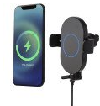 | Teki�® | 8713159555810 | Pilot 15W wireless automatic car charger | 5 | € 39.95
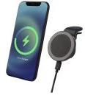 | Teki�® |  | Magclick 10W wireless magnetic car charger | 6 | € 24.95
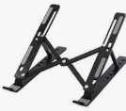 | Teki�® | 8713159556503 | Rise foldable laptop stand | 4 | € 28.95
 | Unbranded | 8713159555490 | Atra 10W bamboo magnetic wireless charging pad | 4 | € 21.95
 | Unbranded | 8713159544562 | Pure mouse pad with antibacterial additive | 163 | € 3.95
 | Unbranded | 8713159544333 | Juice 8000mAh wireless power bank | 42 | € 28.95
 | Unbranded | 8713159544326 | Juice 8000mAh wireless power bank | 8 | € 28.95
 | Unbranded |  | Juice 8000mAh wireless power bank | 10 | € 28.95
 | Unbranded | 8713159544302 | Juice 8000mAh wireless power bank | 7 | € 28.95
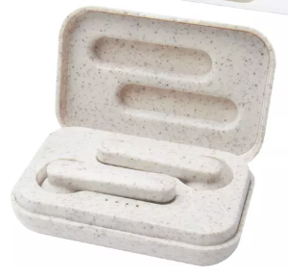 | Unbranded |  | Nantai wheat straw True Wireless earbuds | 3 | € 32.95
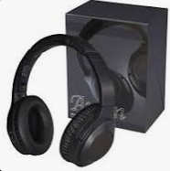 | Unbranded |  | Anton ANC headphones | 15 | € 74.95
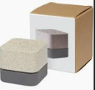 | Unbranded | 8713159539810 | Aira wheat straw Bluetooth speaker | 55 | € 17.95
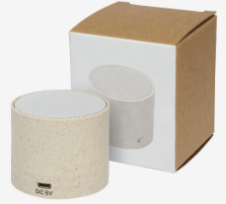 | Unbranded |  | Kikai wheat straw Bluetooth speaker | 1 | € 17.95
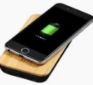 | Unbranded | 8713159356127 | Future 6000 mAh bamboo/fabric wireless power bank | 93 | € 28.95
 | Unbranded | 8713159348641 | Fiber 3W wireless charging Bluetooth speaker | 114 | € 38.95
 | Unbranded | 8713159348634 | Essence 5W bamboo wireless charging pad | 14 | € 21.95
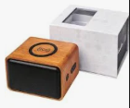 | Unbranded | 8713159335658 | Wooden 3W speaker with wireless charging pad | 4 | € 47.95
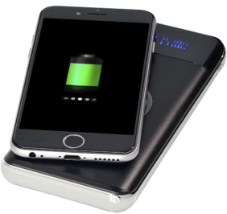 | Unbranded | 8713159352815 | Constant 10.000 mAh wireless power bank with LED | 9 | € 39.95
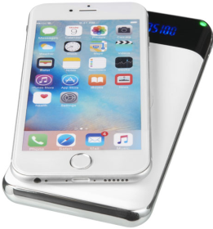 | Unbranded | 8713159273899 | Constant 10.000 mAh wireless power bank with LED | 36 | € 39.95
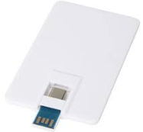 | Unbranded | 8713159571346 | Duo slim 64GB USB drive with Type-C and USB-A 3.0 | 270 | € 21.95
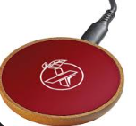 | SCX.design |  | SCX.design W13 10W wooden wireless charging station | 7 | € 24.95
 | Prixton |  | Prixton Ohana XL Bluetooth speaker | 8 | € 79.95
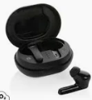 | Unbranded |  | Loop recycled plastic TWS earbuds | 1 | € 27.95
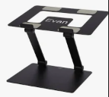 | Teki�® | 8713159573173 | Rise Pro laptop stand | 6 | € 34.95
 | Unbranded | 8713159570806 | Kushi wheat straw webcam blocker | 46,000 | € 0.25
 | Unbranded |  | Juice 4000mAh wireless power bank | 8 | € 17.95
 | Unbranded |  | Juice 4000mAh wireless power bank | 8 | € 17.95
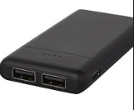 | Unbranded |  | Odyssey 5000mAh high density power bank | 2 | € 22.95
 | Unbranded |  | Troop TWS earbuds | 1 | € 21.95
 | Unbranded | 8713159202790 | Bask 4000 mAh solar power bank | 17 | € 26.95
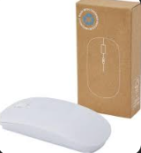 | Unbranded | 8713159410355 | Menlo wireless mouse | 65 | € 9.95
 | Unbranded | 8713159152774 | Stanford wireless mouse | 10 | € 7.90
 |  |  |  | 48,411

